Cover
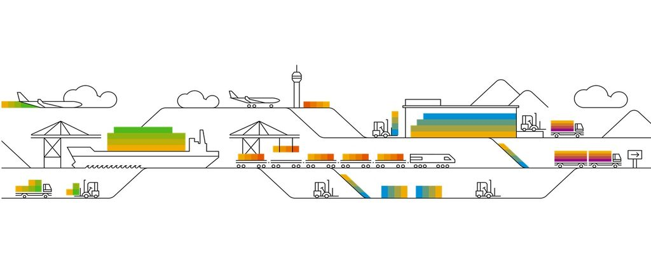

Gilead Integrated Seller Transaction Workbook

2023-05-18

Read Me
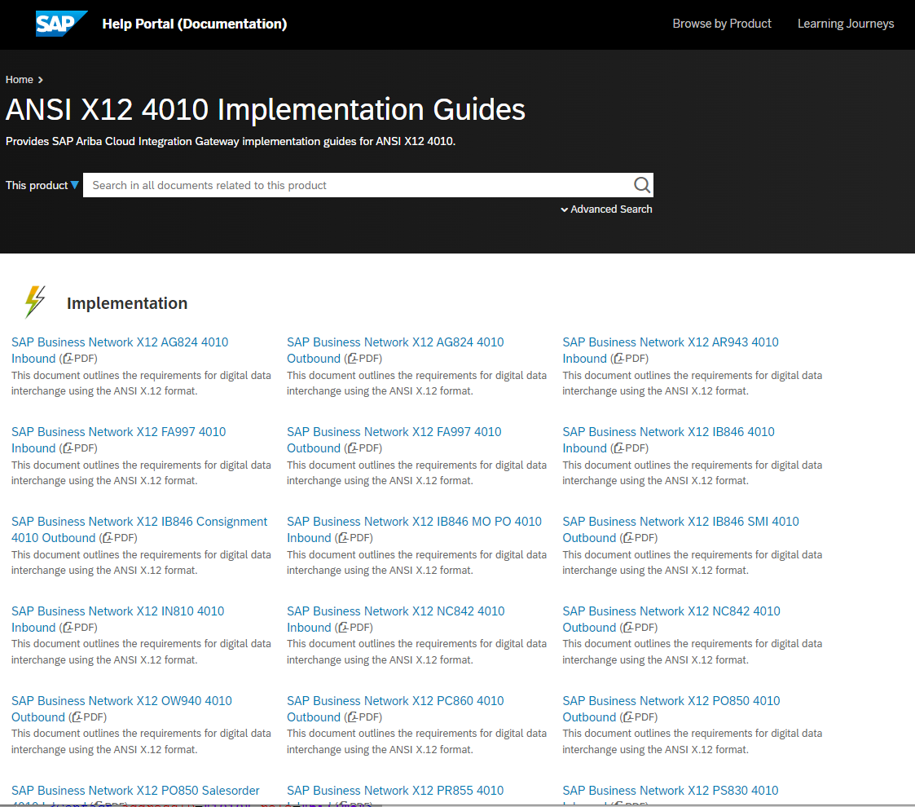
READING THIS DOCUMENT

 | This workbook is designed to partner with the SAP Ariba Documentation of Digital Data Interchange ANSI X.12 Standard for each document in scope. This workbook contains samples of customer specific documents, including buying rules, and extrinsics not found in the Digital Data Interchange Guides. For official documentation and Ariba Standards, please refer to the SAP Ariba ANSI X.12 Standard Digital Data Interchange Guides available in Resources on the Cloud Integration Gateway. (Instructions on how to access the Guides is available below.)

IMPLEMENTATION NOTES:
1. If you are a new customer to SAP Ariba, Download the Guides and build your map according to customer specifications.
2. If you are currently transacting with other SAP Ariba trading partners, continue with your existing map and use this workbook to customize mapping to the new customer requirements

ACCESSING DIGITAL DATA INTERCHANGE GUIDES
 | cXML guides : https://xml.cxml.org/current/cXMLReferenceGuide.pdf
 | X12 guides : https://help.sap.com/docs/ANSIX12_4010

Version History
Version History
This log is updated each time this Process Document is updated. The log identifies the version number, the date the version was completed, the author of the changes, and a brief description of the changes.

Date | Author | Version | Description
2024-06-09 | Trupti Warad | Union Pacific SubCon PO collaboration SCC B2B Integration guides | Initial Version

Subcon Process
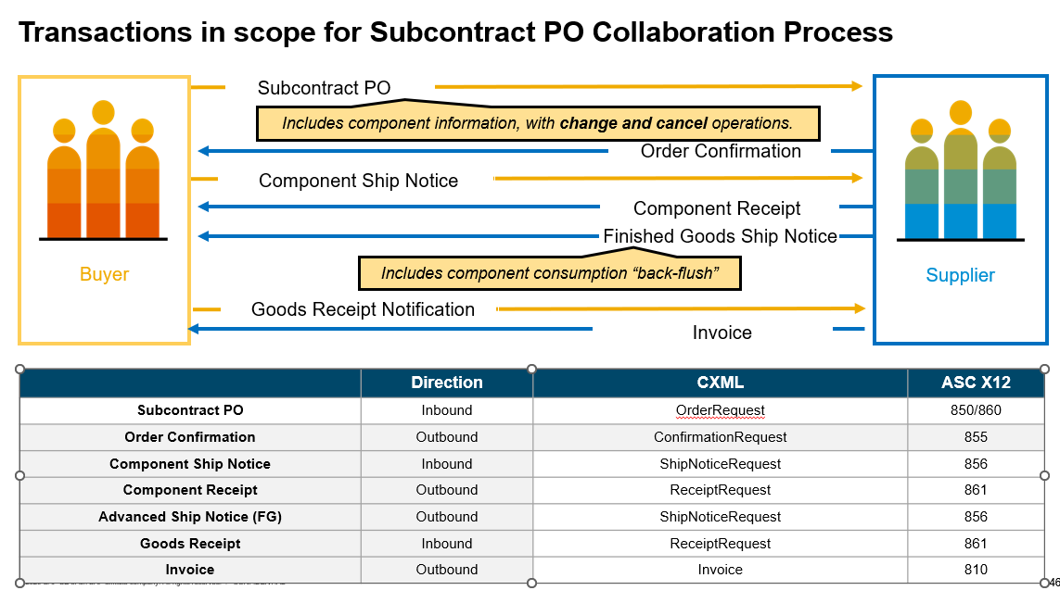

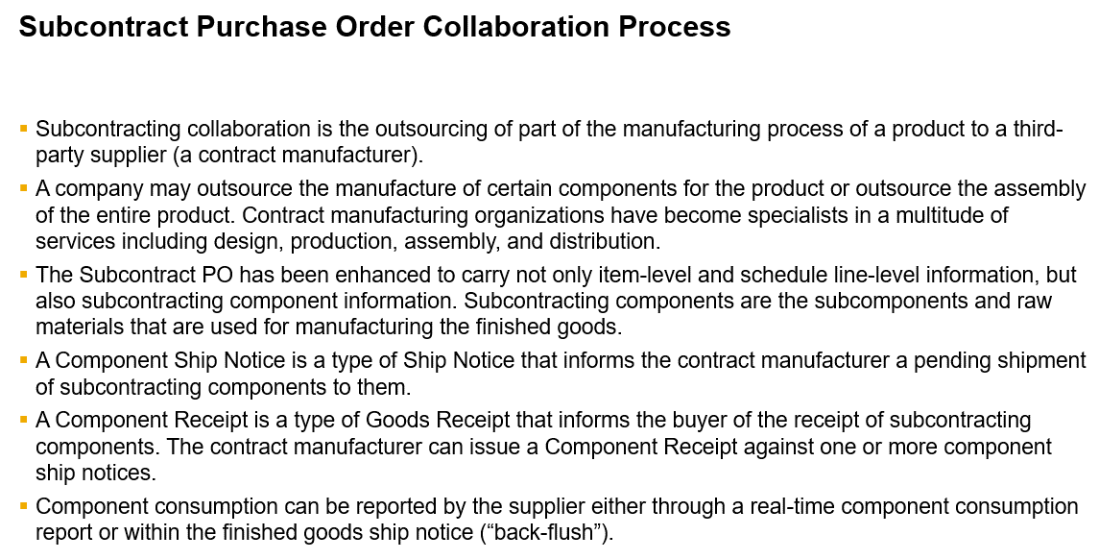

Closure Cover
© 2020 SAP SE or an SAP affiliate company. All rights reserved.
No part of this publication may be reproduced or transmitted in any form or for any purpose without the express permission of SAP SE or an SAP affiliate company.
The information contained herein may be changed without prior notice. Some software products marketed by SAP SE and its distributors contain proprietary software components of other software vendors. National product specifications may vary.
These materials are provided by SAP SE or an SAP affiliate company for informational purposes only, without representation or warranty of any kind, and SAP or its affiliated companies shall not be liable for errors or omissions with respect to the materials. The only warranties for SAP or SAP affiliate company products and services are those that are set forth in the express warranty statements accompanying such products and services, if any. Nothing herein should be construed as constituting an additional warranty.
In particular, SAP SE or its affiliated companies have no obligation to pursue any course of business outlined in this document or any related presentation, or to develop or release any functionality mentioned therein. This document, or any related presentation, and SAP SE’s or its affiliated companies’ strategy and possible future developments, products, and/or platform directions and functionality are all subject to change and may be changed by SAP SE or its affiliated companies at any time for any reason without notice. The information in this document is not a commitment, promise, or legal obligation to deliver any material, code, or functionality. All forward-looking statements are subject to various risks and uncertainties that could cause actual results to differ materially from expectations. Readers are cautioned not to place undue reliance on these forward-looking statements, and they should not be relied upon in making purchasing decisions.
SAP and other SAP products and services mentioned herein as well as their respective logos are trademarks or registered trademarks of SAP SE (or an SAP affiliate company) in Germany and other countries. All other product and service names mentioned are the trademarks of their respective companies. See http://www.sap.com/corporate-en/legal/copyright/index.epx for additional trademark information and notices.

